Holt-Winters Add
Quarter End Date | Revenue (Billions) | Level | Trend | Seasonality | Forecast |  | Alpha | 0.47910149573
2018-12-29 | 84.31 | 58.724172619 | 0.74971386662 | 25.853405096 | 93.319807473 |  | Beta | 0.035522352925
2019-03-30 | 58.02 | 57.939523503 | 0.69520968323 | 0.1755884319 | 61.222584414 |  | Gamma | 0.94298602513
2019-06-29 | 53.81 | 59.505441102 | 0.7261392771 | -5.7494144542 | 51.992623258 |  | MSE | 46.963350026
2019-09-28 | 74.04 | 66.522200704 | 0.94959691242 | 7.1278569702 | 60.909963084 |  | RMSE | 6.8529811051
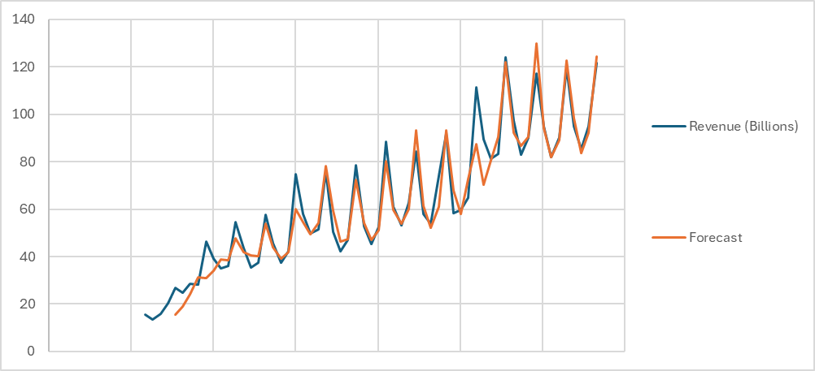
2019-12-28 | 91.8 | 66.741070716 | 0.92363977355 | 25.104225508 | 93.325202713
2020-03-28 | 58.3 | 63.093939006 | 0.7612752158 | -4.5106064938 | 67.840298921
2020-06-27 | 59.7 | 64.618997938 | 0.78840661051 | -4.9663432842 | 58.105799768
2020-09-26 | 64.7 | 61.653519035 | 0.65505976447 | 3.2791764337 | 72.535261519
2020-12-26 | 111.4 | 73.800880134 | 1.0632933484 | 36.886736273 | 87.412804308
2021-03-27 | 89.6 | 84.085168326 | 1.3908447815 | 4.9432415944 | 70.353566989
2021-06-26 | 81.4 | 85.902571627 | 1.4059971438 | -4.5290130924 | 80.509669823
2021-09-25 | 83.4 | 83.864909292 | 1.2836702565 | -0.25144408274 | 90.587745204
2021-12-25 | 123.9 | 86.041952528 | 1.3154049667 | 37.80266916 | 122.03531582
2022-03-26 | 97.3 | 89.752577949 | 1.400488833 | 7.3989473721 | 92.300599089
2022-06-25 | 82.96 | 89.397613179 | 1.3381309906 | -6.3287963014 | 86.624053689
2022-09-24 | 90.15 | 90.575580498 | 1.3324416001 | -0.41565228863 | 90.484300087
2022-12-31 | 117.15 | 85.890176129 | 1.1186735518 | 31.632857488 | 129.71069126
2023-04-01 | 94.84 | 87.215918759 | 1.1260291327 | 7.6112454642 | 94.407797053
2023-07-01 | 81.8 | 88.239826646 | 1.1224015457 | -6.4334963647 | 82.01315159
2023-09-30 | 90.15 | 89.938790477 | 1.1428823947 | 0.17546963986 | 88.946575903
2023-12-30 | 119.6 | 89.589496718 | 1.0898767867 | 30.103000144 | 122.71453036
2024-03-30 | 94.9 | 89.054922885 | 1.0321724785 | 5.9457733928 | 98.290618968
2024-06-29 | 85.3 | 90.875888546 | 1.0601922683 | -5.6247841764 | 83.653598999
2024-09-28 | 94.9 | 93.272031162 | 1.1076483681 | 1.5451560848 | 92.111550454
2024-12-28 | 121.7 | 93.046493536 | 1.0602904647 | 28.73614786 | 124.48267967
 |  |  |  |  | 100.05255739 | 1
 |  |  |  |  | 89.542290289 | 2
 |  |  |  |  | 97.772521015 | 3

 |  | Total REV 2025 | 411.85004837

Holt-Winters Mul
Quarter End Date | Revenue (Billions) | Level | Trend | Seasonality | Forecast |  | Alpha | 0.28255030818
2019-06-29 | 53.81 | 50.984783778 | 0.53143643697 | 1.0528105858 | 53.096259985 |  | Beta | 0.031533287625
2019-09-28 | 74.04 | 54.62282742 | 0.62939797548 | 1.3111581644 | 61.017336596 |  | Gamma | 0.74089623895
2019-12-28 | 91.8 | 54.902289329 | 0.61836334085 | 1.6791884121 | 93.904899664 |  | MSE | 57.767917207
2020-03-28 | 58.3 | 53.853751914 | 0.56580047989 | 1.1064872325 | 65.231313082 |  | RMSE | 7.600520851
2020-06-27 | 59.7 | 55.065407158 | 0.58616640392 | 1.0760411262 | 57.293480834
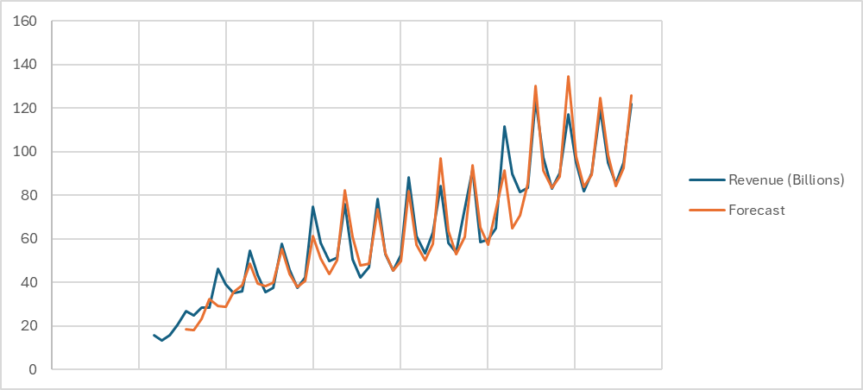
2020-09-26 | 64.7 | 53.869843286 | 0.52998259068 | 1.2295742781 | 72.968015039
2020-12-26 | 111.4 | 57.773970103 | 0.63638045103 | 1.8636831214 | 91.347557231
2021-03-27 | 89.6 | 64.786560064 | 0.83744329947 | 1.3113566454 | 64.630307133
2021-06-26 | 81.4 | 68.456192404 | 0.9267515311 | 1.1597924011 | 70.614126487
2021-09-25 | 83.4 | 68.943694206 | 0.91290054306 | 1.2148367455 | 85.311483205
2021-12-25 | 123.9 | 68.902892549 | 0.88282717727 | 1.8151542199 | 130.19055655
2022-03-26 | 97.3 | 71.032402178 | 0.92213917359 | 1.3546551826 | 91.513967319
2022-06-25 | 82.96 | 71.834599132 | 0.91835700109 | 1.1561492958 | 83.452330287
2022-09-24 | 90.15 | 73.163938464 | 0.93131662515 | 1.2276747361 | 88.382964456
2022-12-31 | 117.15 | 71.395406514 | 0.84618152347 | 1.6860216709 | 134.49431495
2023-04-01 | 94.84 | 71.61117535 | 0.82630253886 | 1.3322201882 | 97.862441633
2023-07-01 | 81.8 | 71.961276145 | 0.81128633233 | 1.1417560381 | 83.748539053
2023-09-30 | 90.15 | 72.95874608 | 0.8171573134 | 1.2335686046 | 89.341036436
2023-12-30 | 119.6 | 72.973549276 | 0.79185645026 | 1.6511464613 | 124.38777191
2024-03-30 | 94.9 | 73.050289262 | 0.76930647711 | 1.3076853101 | 98.271762702
2024-06-29 | 85.3 | 74.071032837 | 0.77723511544 | 1.1490473778 | 84.283969168
2024-09-28 | 94.9 | 75.436820964 | 0.79579412681 | 1.2516744403 | 92.330473458
2024-12-28 | 121.7 | 75.518821708 | 0.77328587477 | 1.6217864669 | 125.87121264
 |  |  |  |  | 99.766068359 | 1
 |  |  |  |  | 88.551788271 | 2
 |  |  |  |  | 97.428685384 | 3

 | Total REV 2025 | 411.61775466

REG-COMPO
Quarter End Date | Revenue (Billions) | Quarter | period | Q1 | Q2 | Q3 | Forecast | MSE | 56.541575391 |  | Q3 | Revenue (Billions) | REG TS Forecast | Holt-Winters ADD Forecast | Holt-Winters MUL Forecast | Composite REG Forecasts | MSE | 30.082068871
2017-12-30 | 88.29 | 1 | 33 | 1 | 0 | 0 | 83.309427966 | RMSE | 7.5194132345 |  | 1900-01-03 | 91.8 | 94.592139831 | 93.325202713 | 93.904899664 | 94.37450756 | RMSE | 5.4847122869
2018-03-31 | 61.14 | 2 | 34 | 0 | 1 | 0 | 64.453355932 | Q1 | Q2 | Q3 | 2020-03-28 | 58.3 | 75.736067797 | 67.840298921 | 65.231313082 | 72.562910617
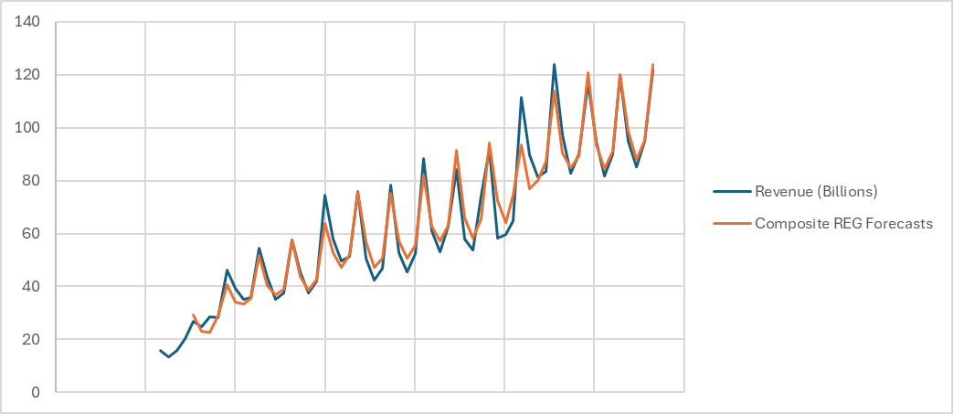
2018-06-30 | 53.27 | 3 | 35 | 0 | 0 | 1 | 58.152022599 | 1 | 2 | 3 | 2020-06-27 | 59.7 | 69.434734463 | 58.105799768 | 57.293480834 | 64.237282224
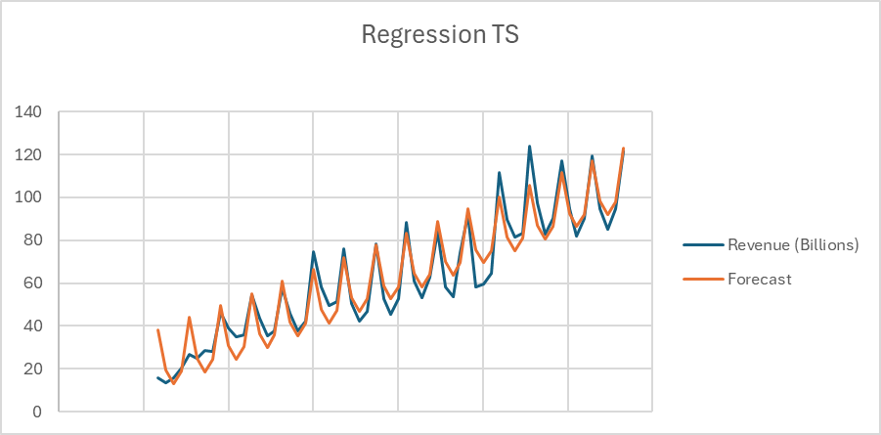
2018-09-29 | 62.9 | 4 | 36 | 0 | 0 | 0 | 63.997355932 |  |  |  | 2020-09-26 | 64.7 | 75.280067797 | 72.535261519 | 72.968015039 | 74.426921361
2018-12-29 | 84.31 | 1 | 37 | 1 | 0 | 0 | 88.950783898 |  |  |  | 2020-12-26 | 111.4 | 100.23349576 | 87.412804308 | 91.347557231 | 93.392359423
2019-03-30 | 58.02 | 2 | 38 | 0 | 1 | 0 | 70.094711864 |  |  |  | 2021-03-27 | 89.6 | 81.377423729 | 70.353566989 | 64.630307133 | 76.932646523
2019-06-29 | 53.81 | 3 | 39 | 0 | 0 | 1 | 63.793378531 |  |  |  | 2021-06-26 | 81.4 | 75.076090395 | 80.509669823 | 70.614126487 | 79.971662161
2019-09-28 | 74.04 | 4 | 40 | 0 | 0 | 0 | 69.638711864 |  |  |  | 2021-09-25 | 83.4 | 80.921423729 | 90.587745204 | 85.311483205 | 87.392826426
2019-12-28 | 91.8 | 1 | 41 | 1 | 0 | 0 | 94.592139831 |  |  |  | 2021-12-25 | 123.9 | 105.87485169 | 122.03531582 | 130.19055655 | 113.79198216
2020-03-28 | 58.3 | 2 | 42 | 0 | 1 | 0 | 75.736067797 |  |  |  | 2022-03-26 | 97.3 | 87.018779661 | 92.300599089 | 91.513967319 | 90.511412085
2020-06-27 | 59.7 | 3 | 43 | 0 | 0 | 1 | 69.434734463 |  |  |  | 2022-06-25 | 82.96 | 80.717446328 | 86.624053689 | 83.452330287 | 84.908827988
2020-09-26 | 64.7 | 4 | 44 | 0 | 0 | 0 | 75.280067797 |  |  |  | 2022-09-24 | 90.15 | 86.562779661 | 90.484300087 | 88.382964456 | 89.516352705
2020-12-26 | 111.4 | 1 | 45 | 1 | 0 | 0 | 100.23349576 |  |  |  | 2022-12-31 | 117.15 | 111.51620763 | 129.71069126 | 134.49431495 | 120.93484024
2021-03-27 | 89.6 | 2 | 46 | 0 | 1 | 0 | 81.377423729 |  |  |  | 2023-04-01 | 94.84 | 92.660135593 | 94.407797053 | 97.862441633 | 93.661946211
2021-06-26 | 81.4 | 3 | 47 | 0 | 0 | 1 | 75.076090395 |  |  |  | 2023-07-01 | 81.8 | 86.35880226 | 82.01315159 | 83.748539053 | 84.405187914
2021-09-25 | 83.4 | 4 | 48 | 0 | 0 | 0 | 80.921423729 |  |  |  | 2023-09-30 | 90.15 | 92.204135593 | 88.946575903 | 89.341036436 | 90.97181336
2021-12-25 | 123.9 | 1 | 49 | 1 | 0 | 0 | 105.87485169 |  |  |  | 2023-12-30 | 119.6 | 117.15756356 | 122.71453036 | 124.38777191 | 120.26020609
2022-03-26 | 97.3 | 2 | 50 | 0 | 1 | 0 | 87.018779661 |  |  |  | 2024-03-30 | 94.9 | 98.301491525 | 98.290618968 | 98.271762702 | 98.80712303
2022-06-25 | 82.96 | 3 | 51 | 0 | 0 | 1 | 80.717446328 |  |  |  | 2024-06-29 | 85.3 | 92.000158192 | 83.653598999 | 84.283969168 | 88.037770652
2022-09-24 | 90.15 | 4 | 52 | 0 | 0 | 0 | 86.562779661 |  |  |  | 2024-09-28 | 94.9 | 97.845491525 | 92.111550454 | 92.330473458 | 95.286164162
2022-12-31 | 117.15 | 1 | 53 | 1 | 0 | 0 | 111.51620763 |  |  |  | 2024-12-28 | 121.7 | 122.79891949 | 124.48267967 | 125.87121264 | 123.84857394
2023-04-01 | 94.84 | 2 | 54 | 0 | 1 | 0 | 92.660135593 |  |  |  | -- | -- | 103.94284746 | 100.05255739 | 99.766068359 | 102.38986624
2023-07-01 | 81.8 | 3 | 55 | 0 | 0 | 1 | 86.35880226 |  |  |  | -- | -- | 97.641514124 | 89.542290289 | 88.551788271 | 93.994038157
2023-09-30 | 90.15 | 4 | 56 | 0 | 0 | 0 | 92.204135593 |  |  |  | -- | -- | 103.48684746 | 97.772521015 | 97.428685384 | 100.97724569
2023-12-30 | 119.6 | 1 | 57 | 1 | 0 | 0 | 117.15756356
2024-03-30 | 94.9 | 2 | 58 | 0 | 1 | 0 | 98.301491525 |  |  |  |  | Total REV 2025 | 421.20972402
2024-06-29 | 85.3 | 3 | 59 | 0 | 0 | 1 | 92.000158192
2024-09-28 | 94.9 | 4 | 60 | 0 | 0 | 0 | 97.845491525
2024-12-28 | 121.7 | 1 | 61 | 1 | 0 | 0 | 122.79891949
-- | -- | 2 | 62 | 0 | 1 | 0 | 103.94284746
-- | -- | 3 | 63 | 0 | 0 | 1 | 97.641514124
-- | -- | 4 | 64 | 0 | 0 | 0 | 103.48684746
-- | -- | 1 | 65 | 1 | 0 | 0 | 128.44027542

 | Total REV 2025 | 427.87012853

